Sheet1
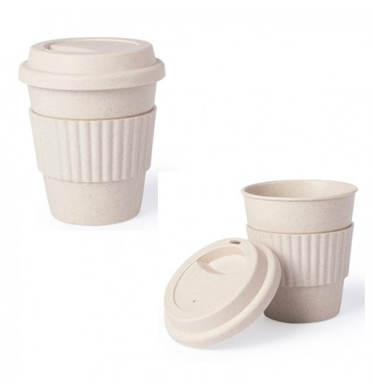
Picture | Item code | Description | Extra information | Restriction | Stock | Sales price EXW | Retail price | Barcode | Quantity PU | Quantity pallet | Pallet | Origin | Customs code | Item weight | Languages on package | Group
 | S-10147 | tumbler with lid ZAURAK 380ml | 6154000000 | no sales in europe | 3701 | 0.29 | 2.59 |  | 50 | 2200 | Chep pallet 120x100 | CN | 39241000 | 100 |  | tumbler with lid ZAURAK 380ml

